Sheet1
restaurant | https://data.gov.uk/data/search?q=restaurants&page=2
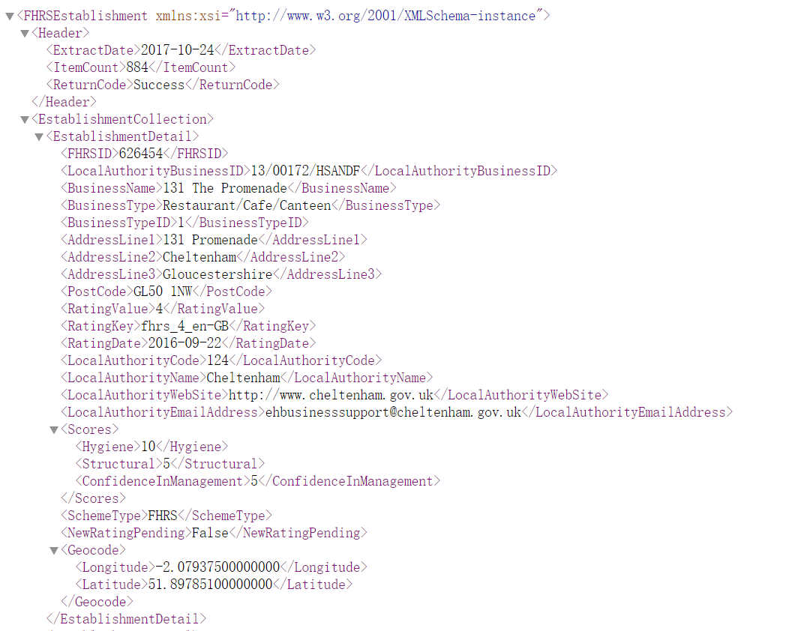

pubs | https://www.getthedata.com/open-pubs |  |  |  |  | number of pubs in different cities
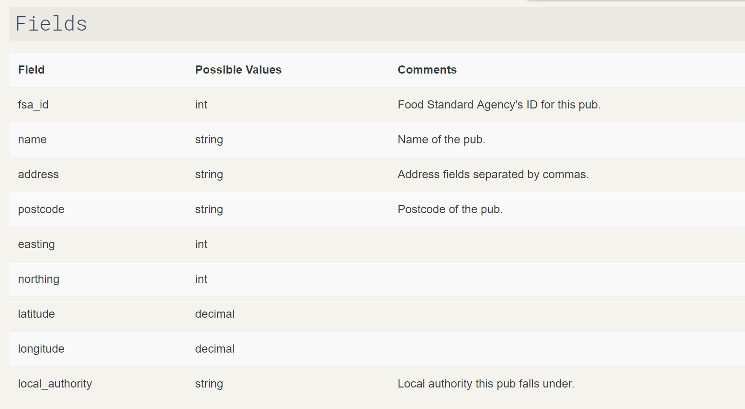

education
URN | Local authority (code) | Local authority (name) | Establishment number | Establishment name | Street | Locality | Address3 | Town | County | Postcode | Type of establishment | Statutory highest age | Statutory lowest age | Boarders | Sixth form | UKPRN | Phase of education | Gender | Religious character | Religious ethos | Admissions policy | Website address | Telephone number | Headteacher | Establishment status | Reason establishment opened | Opening date | Parliamentary Constituency (code) | Parliamentary Constituency (name) | Region
100000 | 201 | City of London | 3614 | Sir John Cass's Foundation Primary School | St James's Passage | Duke's Place |  | London |  | EC3A 5DE | Voluntary Aided School | 11 | 3 | No Boarders | Does not have a sixth form |  | Primary | Mixed | Church of England | Does not apply | Not applicable | www.sirjohncassprimary.org | 02072831147 | Mr Tim Wilson | Open | Not applicable |  | E14000639 | Cities of London and Westminster | London
100001 | 201 | City of London | 6005 | City of London School for Girls | St Giles' Terrace | Barbican |  | London |  | EC2Y 8BB | Other Independent School | 18 | 7 | No Boarders | Has a sixth form | 10013279 | Not applicable | Girls | None | Church of England | Not collected | http://www.clsg.org.uk | 02078475500 | Mrs Ena Harrop | Open | Not applicable | 01/01/1920 | E14000639 | Cities of London and Westminster | London

